Tabelle1
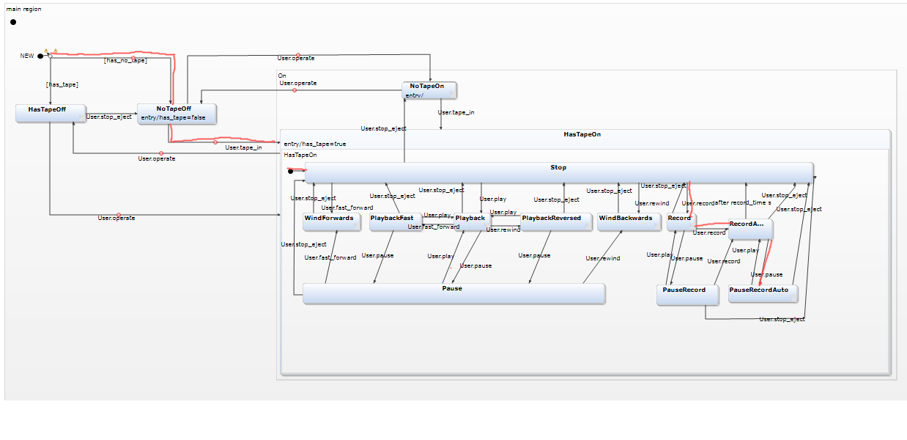
Adijazenzmatrix
 | new | HasTapeOff | NoTapeOff | HasTapeOn | NoTapeOn | Stop | WindForward | WindBackwards | PlayBackfast | PlayBackReserved | PlayBack | Pause | Record | RecordAuto | PauseRecord | PauseRecordAuto
new | 0 | 1 | 1
HasTapeOff |  | 0 | 1 | 1
NoTapeOff |  |  | 0 | 1 | 1
HasTapeOn |  |  |  | 0 |  | 1
NoTapeOn |  |  | 1 | 1 | 0
Stop |  |  | 1 |  | 1 | 0 | 1 | 1 |  |  | 1 |  | 1
WindForward |  |  | 1 |  |  | 1 | 0
WindBackwards |  |  | 1 |  |  | 1 |  | 0
PlayBackfast |  |  | 1 |  |  | 1 |  |  | 0 |  | 1 | 1
PlayBackReserved |  |  | 1 |  |  | 1 |  |  |  | 0 | 1 | 1
PlayBack |  |  | 1 |  |  | 1 |  |  | 1 | 1 | 0 | 1
Pause |  |  | 1 |  |  | 1 | 1 | 1 |  |  | 1 | 0
Record |  |  | 1 |  |  | 1 |  |  |  |  |  |  | 0 | 1 | 1
RecordAuto |  |  | 1 |  |  | 1 |  |  |  |  |  |  |  | 0 |  | 1
PauseRecord |  |  | 1 |  |  | 1 |  |  |  |  |  |  | 1 | 1 | 0
PauseRecordAuto |  |  | 1 |  |  | 1 |  |  |  |  |  |  |  | 1 |  | 0

Gewichtzsmatrix
 | new | HasTapeOff | NoTapeOff | HasTapeOn | NoTapeOn | Stop | WindForward | WindBackwards | PlayBackfast | PlayBackReserved | PlayBack | Pause | Record | RecordAuto | PauseRecord | PauseRecordAuto
new | infinte | 0 | 0
HasTapeOff |  | infinte | 1 | 1
NoTapeOff |  |  | infinte | 1 | 1
HasTapeOn |  |  |  | infinte |  | 0
NoTapeOn |  |  | 1 | 1 | infinte
Stop |  |  | 1 |  | 1 | infinte | 1 | 1 |  |  | 1 |  | 1
WindForward |  |  | 1 |  |  | 1 | infinte
WindBackwards |  |  | 1 |  |  | 1 |  | infinte
PlayBackfast |  |  | 1 |  |  | 1 |  |  | infinte |  | 1 | 1
PlayBackReserved |  |  | 1 |  |  | 1 |  |  |  | infinte | 1 | 1
PlayBack |  |  | 1 |  |  | 1 |  |  | 1 | 1 | infinte | 1
Pause |  |  | 1 |  |  | 1 | 1 | 1 |  |  | 1 | infinte
Record |  |  | 1 |  |  | 1 |  |  |  |  |  |  | infinte | 1 | 1
RecordAuto |  |  | 1 |  |  | 1 |  |  |  |  |  |  |  | infinte |  | 1
PauseRecord |  |  | 1 |  |  | 1 |  |  |  |  |  |  | 1 | 1 | infinte
PauseRecordAuto |  |  | 1 |  |  | 1 |  |  |  |  |  |  |  | 1 |  | infinte

Dijkstra von new aus:

Iteration i | S{} | V-aktuell | Distance to: | HasTapeOff | NoTapeOff | HasTapeOn | NoTapeOn | Stop | WindForward | WindBackwards | PlayBackfast | PlayBackReserved | PlayBack | Pause | Record | RecordAuto | PauseRecord | PauseRecordAuto
0 | new | - |  | 0 | 0
1 | {new, HasTapeOff, NoTapeOff} | HasTapeOff |  | 0 | 0 | 0+1=1
2 | {new, HasTapeOff, NoTapeOff, HasTapeOn} | NoTapeOff |  | 0 | 0 | 1 | 0+1=1
3 | {new, HasTapeOff, NoTapeOff, HasTapeOn, NoTapeOn} | HasTapeOn |  | 0 | 0 | 1 | 1 | 1+0=1
4 | {new, HasTapeOff, NoTapeOff, HasTapeOn, NoTapeOn,Stop} | NoTapeOn |  | 0 | 0 | 1 | 1
5 | {new, HasTapeOff, NoTapeOff, HasTapeOn, NoTapeOn,Stop} | Stop |  | 0 | 0 | 1 | 1 | 1 | 1+1=2 | 1+1=2 |  |  | 1+1=2 |  | 1+1=2
6 | {new, HasTapeOff, NoTapeOff, HasTapeOn, NoTapeOn,Stop,Windforward, Windbackward,Playback,Record} | Windforward |  | 0 | 0 | 1 | 1 | 1 | 2 | 2 |  |  | 2 |  | 2
7 | {new, HasTapeOff, NoTapeOff, HasTapeOn, NoTapeOn,Stop,Windforward, Windbackward,Playback,Record} | Windbackward |  | 0 | 0 | 1 | 1 | 1 | 2 | 2 |  |  | 2 |  | 2
8 | {new, HasTapeOff, NoTapeOff, HasTapeOn, NoTapeOn,Stop,Windforward, Windbackward,Playback,Record} | Playback |  | 0 | 0 | 1 | 1 | 1 | 2 | 2 | 2+1=3 | 2+1=3 | 2 | 2+1=3 | 2
9 | {new, HasTapeOff, NoTapeOff, HasTapeOn, NoTapeOn,Stop,Windforward, Windbackward,Playback,Record,Playbackfast, PlayBackReserved,Pause} | Record |  | 0 | 0 | 1 | 1 | 1 | 2 | 2 | 3 | 3 | 2 | 3 | 2 | 2+1=3 | 2+1=3
10 | {new, HasTapeOff, NoTapeOff, HasTapeOn, NoTapeOn,Stop,Windforward, Windbackward,Playback,Record,Playbackfast, PlayBackReserved,Pause,RecordAuto,PauseRecord} | Playbackfast |  | 0 | 0 | 1 | 1 | 1 | 2 | 2 | 3 | 3 | 2 | 3 | 2 | 3 | 3
11 | {new, HasTapeOff, NoTapeOff, HasTapeOn, NoTapeOn,Stop,Windforward, Windbackward,Playback,Record,Playbackfast, PlayBackReserved,Pause,RecordAuto,PauseRecord} | Playbackreserved |  | 0 | 0 | 1 | 1 | 1 | 2 | 2 | 3 | 3 | 2 | 3 | 2 | 3 | 3
12 | {new, HasTapeOff, NoTapeOff, HasTapeOn, NoTapeOn,Stop,Windforward, Windbackward,Playback,Record,Playbackfast, PlayBackReserved,Pause,RecordAuto,PauseRecord} | Pause |  | 0 | 0 | 1 | 1 | 1 | 2 | 2 | 3 | 3 | 2 | 3 | 2 | 3 | 3
13 | {new, HasTapeOff, NoTapeOff, HasTapeOn, NoTapeOn,Stop,Windforward, Windbackward,Playback,Record,Playbackfast, PlayBackReserved,Pause,RecordAuto,PauseRecord} | RecordAuto |  | 0 | 0 | 1 | 1 | 1 | 2 | 2 | 3 | 3 | 2 | 3 | 2 | 3 | 3 | 3+1=4
14 | {new, HasTapeOff, NoTapeOff, HasTapeOn, NoTapeOn,Stop,Windforward, Windbackward,Playback,Record,Playbackfast, PlayBackReserved,Pause,RecordAuto,PauseRecord} | PauseRecord |  | 0 | 0 | 1 | 1 | 1 | 2 | 2 | 3 | 3 | 2 | 3 | 2 | 3 | 3 | 4
15 | {new, HasTapeOff, NoTapeOff, HasTapeOn, NoTapeOn,Stop,Windforward, Windbackward,Playback,Record,Playbackfast, PlayBackReserved,Pause,RecordAuto,PauseRecord, PauseRecordAuto} | PauseRecordAuto |  | 0 | 0 | 1 | 1 | 1 | 2 | 2 | 3 | 3 | 2 | 3 | 2 | 3 | 3 | 4

